Overview
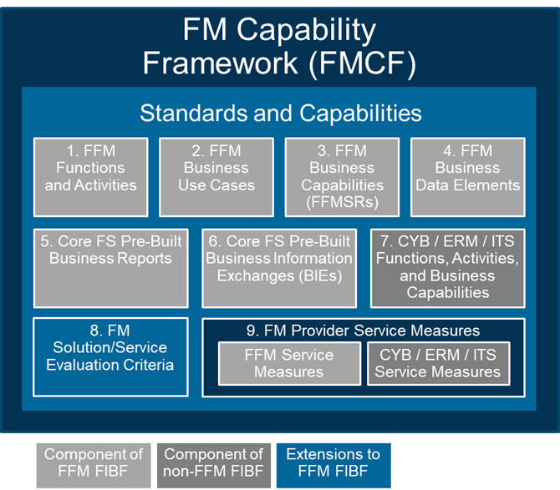
Overview
November 2023
 | Core FS Pre-Built BIE Response
FMCF Context | The Financial Management Capability Framework (FMCF) provides a common set of FM standards and capabilities that are the foundation for all offerings in the FM QSMO Marketplace. The Core FS Pre-Built Business Information Exchanges (BIEs) are component 6 of the FMCF. Refer to the FM QSMO Marketplace Overview for a description of each FMCF component and how the components relate to each other. Vendors proposing a Core FS must complete this Evaluation Template to document their BIEs that exchange data between the Core FS and external systems.
Workbook Tab | Description
Instructions | This tab provides general and specific guidance for vendor completion and submission of the Core FS Pre-Built BIE response.
Core FS BIE Response
Description | This tab provides an inventory of Federal government centralized services' systems and other Functional Areas' solutions with which the Core FS Baseline Solution is expected to exchange information. Vendors must completed the Vendor Section to assist in evaluating their Core FS proposed solution's ability to exchange information.
Centralized Service / Functional Area | This column indicates whether the system/solution expected to exchange information with the Core FS Baseline Solution is a Federal government centralized service's system or a solution from another Functional Area.
System Exchanging Information with Core FS Baseline Solution | This column contains the name of the centralized service's system or other Functional Area's solution that exchanges information with the Core FS Baseline Solution.
System Manager | This column provides the name of the Federal agency managing the system/solution or indicates whether Federal agencies manage system implementation themselves and/or on behalf of other Federal agencies.
BIE Required / Conditionally Required | This column indicates whether the BIE is required or conditionally required (and under what scenario) for the Core FS Baseline Solution.
Core FS Incoming/Outgoing Information | This column indicates whether the BIE is an incoming or outbound information flow with the Core FS Baseline Solution.
Vendor Proposed Solution | Name or brief description of solution being proposed. If no solution proposed, enter N/A.
Vendor Evidence | e.g., Written Documentation of Existing/Deployed Solution(s); Vendor Attestation of Existing/Deployed Solution(s); Vendor Attestation of Solution in Vendor's Development Backlog or Release Schedule.
Vendor Supporting Documentation Reference | References to provider/vendor documentation are optional; if references are provided, they must identify the document title, section, and any additional information (e.g., page numbers) needed to locate the specific text applicable to the requested information.
Additional Vendor Notes | Additional vendor notes on proposed solution.
BIE Specification | This column provides the location of the BIE specification.

